Cover
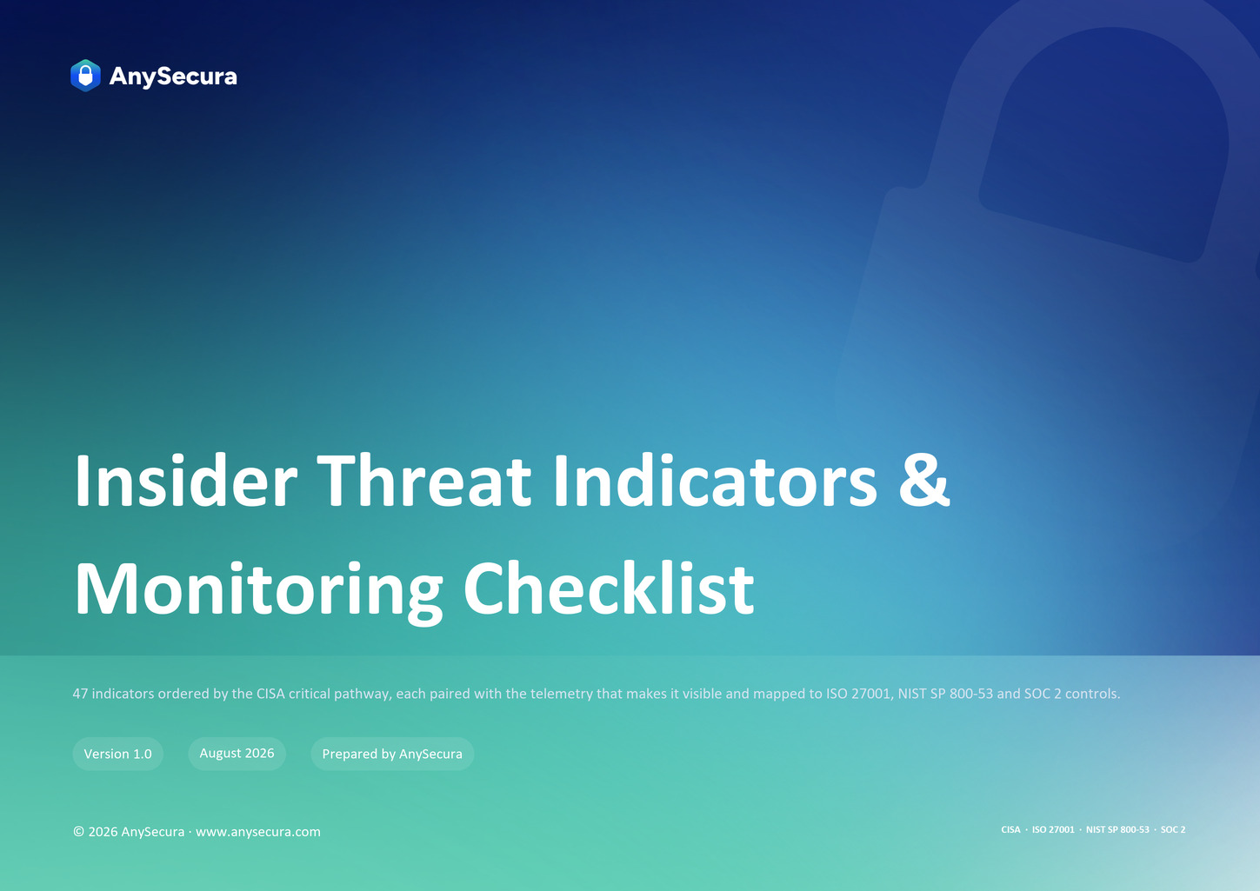

Book a Demo
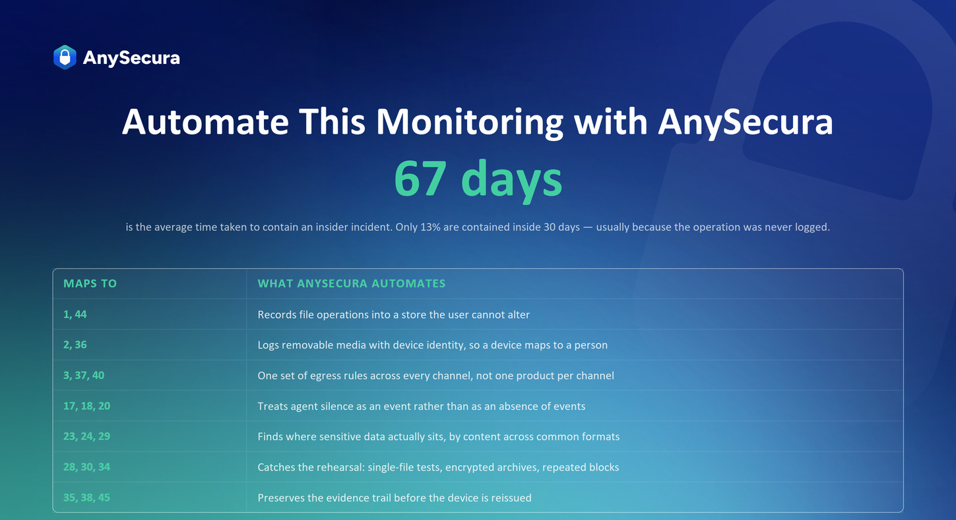

Book a 15-Minute Demo to See AnySecura in Action →

